Ref 2
...
 | State | Sex | Age | Disease | Drug | Metabolite: | Albendazole Sulfoxide
 | Fasted | Male | Adult | Onchocerciasis | None | Dose: | 400mg
 | Fasted | Male | Adult | Onchocerciasis | None | n: | 14
 | Fasted | Male | Adult | Onchocerciasis | None | Sex: | Male
 | Fasted | Male | Adult | Onchocerciasis | None | Form: | pill
 | Fasted | Male | Adult | Onchocerciasis | None | Notes: | Overnight fast
 | Fasted | Male | Adult | Onchocerciasis | None | Age: | mean 36 (25-50, just Alb) and mean 39 (22-54, Alb and Ivermectin)
 | Fasted | Male | Adult | Onchocerciasis | None | Disease: | Onchocerciasis
 | Fasted | Male | Adult | Onchocerciasis | None | Drug: 1 Ivermectin, 1 just ALB
 | Fasted | Male | Adult | Onchocerciasis | None | Weight: | 56 (45-65, just Alb) and 61.5 (52-82.5, Alb and Ivermectin)
 | Fasted | Male | Adult | Onchocerciasis | None
0 | 0
1 | 55.6684
2 | 88.2522
3 | 121.3611
4 | 117.7255
6 | 94.6872
8 | 109.9755
12 | 94.351
24 | 71.1369
36 | 58.4008
48 | 13.6414
72 | 1.322
 | Fasted | Male | Adult | Onchocerciasis | None
 | Fasted | Male | Adult | Onchocerciasis | Ivermectin
 | Fasted | Male | Adult | Onchocerciasis | Ivermectin
 | Fasted | Male | Adult | Onchocerciasis | Ivermectin
 | Fasted | Male | Adult | Onchocerciasis | Ivermectin
400 | Fasted | Male | Adult | Onchocerciasis | Ivermectin
400 | Fasted | Male | Adult | Onchocerciasis | Ivermectin
400 | Fasted | Male | Adult | Onchocerciasis | Ivermectin
400 | Fasted | Male | Adult | Onchocerciasis | Ivermectin
400 | Fasted | Male | Adult | Onchocerciasis | Ivermectin
400 | Fasted | Male | Adult | Onchocerciasis | Ivermectin
400 | Fasted | Male | Adult | Onchocerciasis | Ivermectin
400 | Fasted | Male | Adult | Onchocerciasis | Ivermectin

0 | 0
1 | 57.4079
2 | 109.8824
3 | 128.8473
4 | 139.7654
6 | 122.8965
8 | 121.0906
12 | 84.4942
24 | 60.6753
36 | 52.7013
48 | 12.7771
72 | 1.5068

Ref 3
...
Time | Concentration | Metabolite | Dose | State | Sex | Age | Disease | Drug | Metabolite: | Albendazole Sulfoxide
2 | 42.3518 | Alb_SO | 400 | Fasted | Male | Adult | Onchocerciasis | Levamisole | n: | 22
3 | 65.6327 | Alb_SO | 400 | Fasted | Male | Adult | Onchocerciasis | Levamisole | Sex: | Male
4 | 57.768 | Alb_SO | 400 | Fasted | Male | Adult | Onchocerciasis | Levamisole | Form: | pill
6 | 53.2644 | Alb_SO | 400 | Fasted | Male | Adult | Onchocerciasis | Levamisole | Notes: | Data from Awadzi et al 1993 paper - make sure not to duplicate
8 | 33.8919 | Alb_SO | 400 | Fasted | Male | Adult | Onchocerciasis | Levamisole | Age: | for Ivermectin alone, see Ref 2, for Levamisole 43 (19-60)
12 | 28.254 | Alb_SO | 400 | Fasted | Male | Adult | Onchocerciasis | Levamisole | Disease: | Onchocerciasis
24 | 11.0554 | Alb_SO | 400 | Fasted | Male | Adult | Onchocerciasis | Levamisole | Drug: 1 Levimasole, 1 just ALB
36 | 2.8348 | Alb_SO | 400 | Fasted | Male | Adult | Onchocerciasis | Levamisole | Weight: | for Ivermectin Alone, see Ref 2, for Levamisole 53.4 (43-65)
48 | 1.3493 | Alb_SO | 400 | Fasted | Male | Adult | Onchocerciasis | Levamisole
72 | 0 | Alb_SO | 400 | Fasted | Male | Adult | Onchocerciasis | Levamisole
0 | 0
1 | 17.3883
2 | 42.3518
3 | 65.6327
4 | 57.768
6 | 53.2644
8 | 33.8919
12 | 28.254
24 | 11.0554
36 | 2.8348
48 | 1.3493
72 | 0

Ref 4
 |  |  |  |  | Metabolite: | Albendazole Sulfoxide
 |  |  |  |  | Units: | ug/l
 |  |  |  |  | Dose: | 1200mg
 |  |  |  |  | n: | 14 | for each study
0 | 0
1 | 239.5206
2 | 345.4821
3 | 428.777
4 | 489.4544
6 | 393.114
12 | 289.1138
24 | 51.9365
36 | 29.0375
48 | 6.0623
72 | 0.0987
96 | 0.0977
 |  |  |  |  | Sex: | Males
 |  |  |  |  | Form: | Pill
 |  |  |  |  | Notes: | Fasted and Unfasted States Examined
 |  |  |  |  | Age: | 18-50
 |  |  |  |  | Disease: | Onchocerciasis
 |  |  |  |  | Drug: | 1200mg trial is just albendazole
Fatty_meal | Male | Adult | Onchocerciasis | None | Weight: | Unclear
Fatty_meal | Male | Adult | Onchocerciasis | None
Fatty_meal | Male | Adult | Onchocerciasis | None
Fasted | Male | Adult | Onchocerciasis | None
Fasted | Male | Adult | Onchocerciasis | None
Fasted | Male | Adult | Onchocerciasis | None
Fasted | Male | Adult | Onchocerciasis | None
Fasted | Male | Adult | Onchocerciasis | None
Fasted | Male | Adult | Onchocerciasis | None
Fasted | Male | Adult | Onchocerciasis | None
0 | 0
1 | 5.5
2 | 56.9069
3 | 39.3656
4 | 62.7737
6 | 68.089
8 | 45.4904
12 | 24.8142
24 | 51.9221
36 | 58.5657
48 | 7.7871
72 | 5.3407
96 | 1.0996
Fasted | Male | Adult | Onchocerciasis | None
Fasted | Male | Adult | Onchocerciasis | None
Fasted | Male | Adult | Onchocerciasis | None
Fasted | Male | Adult | Onchocerciasis | None
Fasted | Male | Adult | Onchocerciasis | None
Fasted | Male | Adult | Onchocerciasis | None

Ref 8
Dose | State | Sex | Age | Disease | Drug | Metabolite: | Albendazole & Albendazole Sulfoxide
400 | Fatty_meal | Mixed | Adult | None | None | Units: | ug/ml
400 | Fatty_meal | Mixed | Adult | None | None | Dose: | 400mg
400 | Fatty_meal | Mixed | Adult | None | None | n: | 8
400 | Fatty_meal | Mixed | Adult | None | None | Sex: | 4 male, 4 female
400 | Fatty_meal | Mixed | Adult | None | None | Form: | pill
400 | Fatty_meal | Mixed | Adult | None | None | Notes: | Also measured urine concentrations
400 | Fatty_meal | Mixed | Adult | None | None | Age: | 18-40
400 | Fatty_meal | Mixed | Adult | None | None | Disease: | None
400 | Fatty_meal | Mixed | Adult | None | None | Drug: | None
0 | 0
2 | 0.8665
4 | 1.0781
8 | 0.7981
12 | 0.6705
24 | 0.3032
36 | 0.1478
48 | 0.0743
72 | 0.0278
400 | Fatty_meal | Mixed | Adult | None | None | Weight: | 53-75kg
400 | Fatty_meal | Mixed | Adult | None | None
400 | Fatty_meal | Mixed | Adult | None | None
400 | Fatty_meal | Mixed | Adult | None | None
400 | Fatty_meal | Mixed | Adult | None | None

Ref 9
Drug | Metabolite: | Albendazole & Albendazole Sulfoxide
None | Units: | ng/ml
None | Dose: | 400mg
None | n: | 20
None | Sex: | Male
None | Form: | pill
None | Notes:
None | Age: | Unclear
None | Disease: | None
None | Drug: | None
0 | 0
0.5 | 50.2149
1 | 229.0275
2 | 463.8859
3 | 562.596
4 | 587.5126
5 | 528.29
7 | 367.8166
9 | 303.8243
12 | 211.6408
24 | 76.4242
36 | 23.7628
None
None
None
None
None
None
None
None
None
None
None
None
None
None
None

Ref 10
Drug | Metabolite: | Albendazole & Albendazole Sulfoxide
DEC + Ivermectin | Units: | ng/ml
DEC + Ivermectin | Dose: | 400mg
DEC + Ivermectin | n: | 7
DEC + Ivermectin | Sex: | Mixture
DEC + Ivermectin | Form: | pill
DEC + Ivermectin | Notes: | Fasting state, IVM + DEC
DEC + Ivermectin | Age: | Adults > 20 years
DEC + Ivermectin | Disease: | some had LF, others did not
0 | 0
1 | 37.7699
2 | 142.6683
3 | 252.1083
4 | 351.3623
6 | 414.6263
8 | 359.2955
12 | 251.3308
24 | 104.0056
36 | 40.0812
48 | 17.3916
DEC + Ivermectin | Drug: | IVM + DEC
DEC + Ivermectin
DEC + Ivermectin
DEC + Ivermectin
DEC + Ivermectin
DEC + Ivermectin
DEC + Ivermectin
DEC + Ivermectin
DEC + Ivermectin
DEC + Ivermectin
DEC + Ivermectin
DEC + Ivermectin
DEC + Ivermectin
DEC + Ivermectin
...

Ref 21
Raw Data: | Individual | Bodyweight | Dose | Time | Concentration
 | 1 | 72.5 | 1087.5 | 0 | 0
 | 1 | 72.5 | 1087.5 | 1 | 0.4142
 | 1 | 72.5 | 1087.5 | 2 | 0.7285
 | 1 | 72.5 | 1087.5 | 3 | 1.0497
 | 1 | 72.5 | 1087.5 | 4 | 1.1057
 | 1 | 72.5 | 1087.5 | 6 | 0.9558
 | 1 | 72.5 | 1087.5 | 8 | 0.7715
 | 1 | 72.5 | 1087.5 | 12 | 0.5856
 | 1 | 72.5 | 1087.5 | 24 | 0.3444
 | 1 | 72.5 | 1087.5 | 48 | 0.1102
 | 2 | 68 | 1020 | 0 | 0
 | 2 | 68 | 1020 | 1 | 0.5728
 | 2 | 68 | 1020 | 2 | 1.0144
 | 2 | 68 | 1020 | 3 | 1.37
 | 2 | 68 | 1020 | 4 | 1.5017
 | 2 | 68 | 1020 | 6 | 1.0729
 | 2 | 68 | 1020 | 8 | 0.8681
 | 2 | 68 | 1020 | 12 | 0.6614
 | 2 | 68 | 1020 | 24 | 0.3788
 | 2 | 68 | 1020 | 48 | 0.1384
 | 3 | 48.8 | 732 | 0 | 0
 | 3 | 48.8 | 732 | 1 | 0.2557
 | 3 | 48.8 | 732 | 2 | 0.3014
 | 3 | 48.8 | 732 | 3 | 0.4057
 | 3 | 48.8 | 732 | 4 | 0.5131
 | 3 | 48.8 | 732 | 6 | 0.5459
 | 3 | 48.8 | 732 | 8 | 0.3892
 | 3 | 48.8 | 732 | 12 | 0.2652
 | 3 | 48.8 | 732 | 24 | 0.179
 | 3 | 48.8 | 732 | 48 | 0.0834
 | 4 | 69 | 1035 | 0 | 0
 | 4 | 69 | 1035 | 1 | 0.1318
 | 4 | 69 | 1035 | 2 | 0.298
 | 4 | 69 | 1035 | 3 | 0.6019
 | 4 | 69 | 1035 | 4 | 0.8026
 | 4 | 69 | 1035 | 6 | 0.7182
 | 4 | 69 | 1035 | 8 | 0.6545
 | 4 | 69 | 1035 | 12 | 0.5408
 | 4 | 69 | 1035 | 24 | 0.3376
 | 4 | 69 | 1035 | 48 | 0.1246
 | 5 | 68 | 1020 | 0 | 0
 | 5 | 68 | 1020 | 1 | 0.2558
 | 5 | 68 | 1020 | 2 | 0.3944
 | 5 | 68 | 1020 | 3 | 0.4056
 | 5 | 68 | 1020 | 4 | 0.3789
 | 5 | 68 | 1020 | 6 | 0.2497
 | 5 | 68 | 1020 | 8 | 0.1722
 | 5 | 68 | 1020 | 12 | 0.1068
 | 5 | 68 | 1020 | 24 | 0.0689
 | 5 | 68 | 1020 | 48 | 0.0695
 | 6 | 59 | 885 | 0 | 0
 | 6 | 59 | 885 | 1 | 1.0583
 | 6 | 59 | 885 | 2 | 1.3726
 | 6 | 59 | 885 | 3 | 1.4733
 | 6 | 59 | 885 | 4 | 1.5636
 | 6 | 59 | 885 | 6 | 1.5621
 | 6 | 59 | 885 | 8 | 1.6327
 | 6 | 59 | 885 | 12 | 1.5431
 | 6 | 59 | 885 | 24 | 1.0747
 | 6 | 59 | 885 | 48 | 0.2452
 | 7 | 65 | 975 | 0 | 0
 | 7 | 65 | 975 | 1 | 0.8104
 | 7 | 65 | 975 | 2 | 1.2073
 | 7 | 65 | 975 | 3 | 1.0462
 | 7 | 65 | 975 | 4 | 1.1023
 | 7 | 65 | 975 | 6 | 1.0832
 | 7 | 65 | 975 | 8 | 0.9748
 | 7 | 65 | 975 | 12 | 0.713
 | 7 | 65 | 975 | 24 | 0.3719
 | 7 | 65 | 975 | 48 | 0.1315
 | 8 | 82 | 1230 | 0 | 0
 | 8 | 82 | 1230 | 1 | 1.0617
 | 8 | 82 | 1230 | 2 | 1.5724
 | 8 | 82 | 1230 | 3 | 2.1863
 | 8 | 82 | 1230 | 4 | 2.5729
 | 8 | 82 | 1230 | 6 | 2.5815
 | 8 | 82 | 1230 | 8 | 1.6291
 | 8 | 82 | 1230 | 12 | 1.8255
 | 8 | 82 | 1230 | 24 | 0.9198
 | 8 | 82 | 1230 | 48 | 0.1109

Ref 59
...
weight not given, assumed 70kg average. Either 5mg/kg 3x daily, or 7.5mg/kg2x daily
5 males 5 females
...
 | 96
...
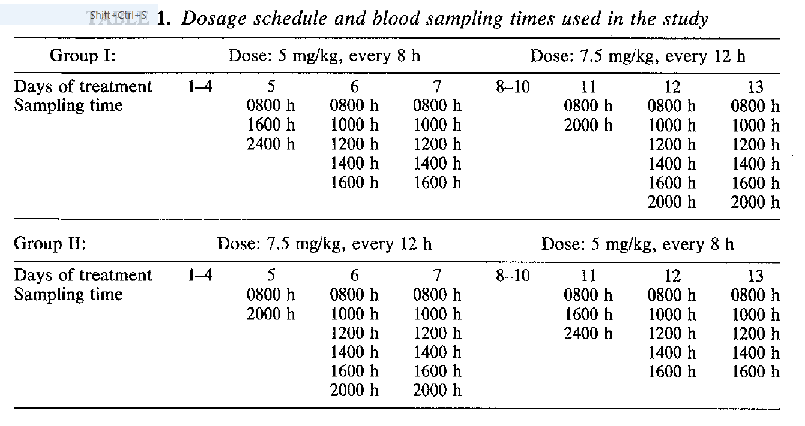
...
mean 33
...

